Aggregate Chart
Months | (Multiple Items)
Days | (Multiple Items)
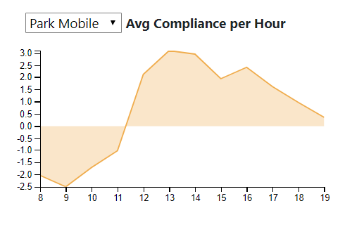
Row Labels | Average of difference
6 AM | -0.46153846154
7 AM | -1.1153846154
8 AM | -2.0384615385
9 AM | -2.5
10 AM | -1.7115384615
11 AM | -1.0192307692
12 PM | 2.1346153846
1 PM | 3.0961538462
2 PM | 2.9615384615
3 PM | 1.9230769231
4 PM | 2.4038461538
5 PM | 1.6153846154
6 PM | 0.96153846154
7 PM | 0.36538461538
Grand Total | 0.47252747253

July 31 Chart
Average Difference
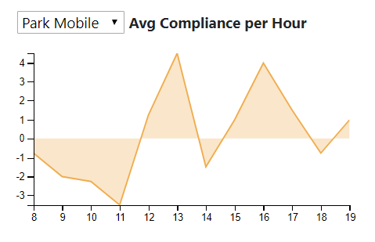
Row Labels | Average of diff
6 AM | -1.25
7 AM | -2.75
8 AM | -0.75
9 AM | -2
10 AM | -2.25
11 AM | -3.5
12 PM | 1.25
1 PM | 4.5
2 PM | -1.5
3 PM | 1
4 PM | 4
5 PM | 1.5
6 PM | -0.75
7 PM | 1
Grand Total | -0.10714285714

